工作表1
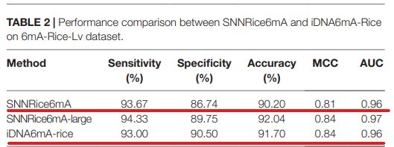
6mAPred-MSFF
Dataset | Method | validation | SN(%) | SP(%) | ACC(%) | MCC | AUC
6mA-rice-Lv | 6mAPred-MSFF | 5-fold | 97.88 | 94.64 | 96.26 | 0.926 | 0.989
 | Deep6mA | 5-fold | 95.06 | 92.96 | 94.01 | 0.88 | 0.98
 | iRicem6A-CNN | 5-fold | 94.34 | 93.31 | 93.82 | 0.877 | 0.979
 | 6mA-Pred | 5-fold | 95.66 | 92.38 | 94.02 | 0.88 | 0.981
 | MGF6mARice | 10-fold | 96 | 97 | 97 | 0.93 | 0.99
Deep6mA
 | SNNRice6mA | 5-fold | 93.67 | 86.74 | 90.2 | 0.81 | 0.96
 | 6mA-RicePred
 | iDNA6mA-Rice | 5-fold | 93 | 90.5 | 91.7 | 0.84 | 0.96
6mA-Pred

iRicem6A-CNN
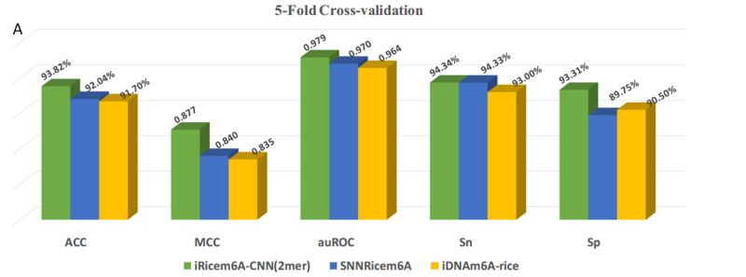

MGF6mARice

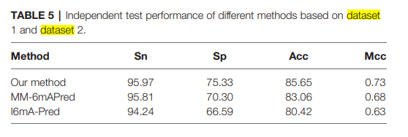

SNNRice6mA

